Sheet1
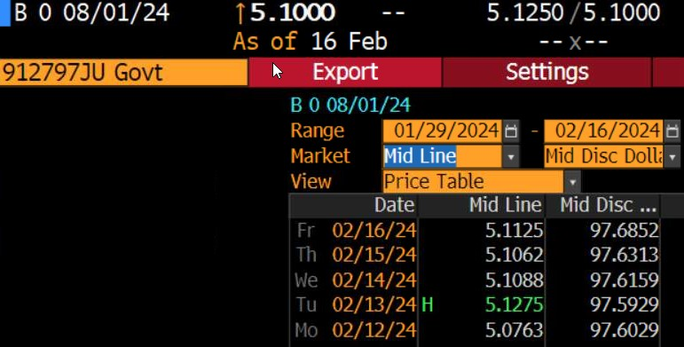
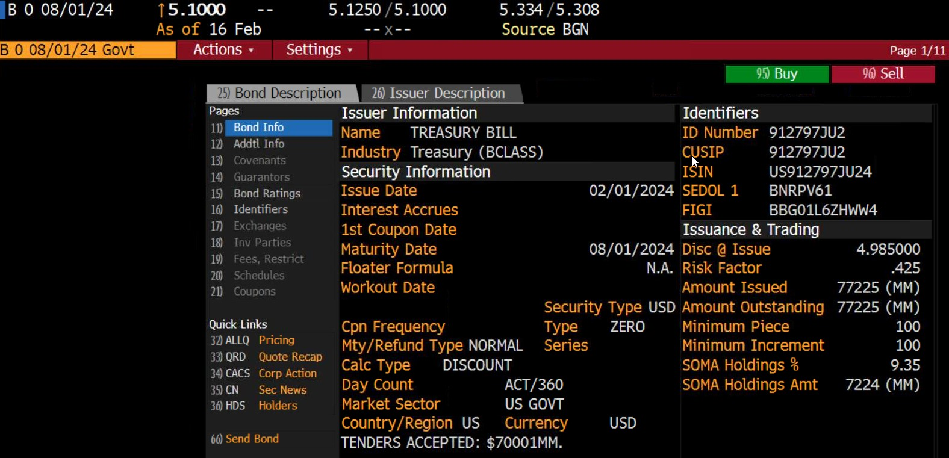
T-bill price calculation
Price quoted on Friday, 2/16/2024
Settlement on Monday, 2/19/2024

Day counts

Days to maturity

Price

